Sheet1
Homework 2

0 - One to all and all to one allreduce
1- butterfly allreduce
2- custom allreduce using custom broadcast and custom reduce
3 - MPI_Allreduce
 | low to high |  |  |  |  | high to low
Type of Allreduce | 2 | 4 | 8 | 16 | 32 | 2 | 4 | 8 | 16 | 32
0 | 0.000135 | 0.000206 | 0.000311 | 0.001024 | 0.002549 | 0.000135 | 0.000206 | 0.000311 | 0.001024 | 0.002549
1 | 0.000143 | 0.000077 | 0.000217 | 0.000549 | 0.001468 | 0.000045 | 0.000067 | 0.000159 | 0.000661 | 0.001484
2 | 0.000057 | 0.000109 | 0.000218 | 0.000674 | 0.001737 | 0.000063 | 0.000104 | 0.00039 | 0.000763 | 0.001829
3 | 0.000009 | 0.000013 | 0.000028 | 0.000064 | 0.000187 | 0.000009 | 0.000013 | 0.000028 | 0.000064 | 0.000187

Low to High
High to Low

Note : I ran all all reduce codes (type 0 to 3) 10 times and collected average of all execution timings

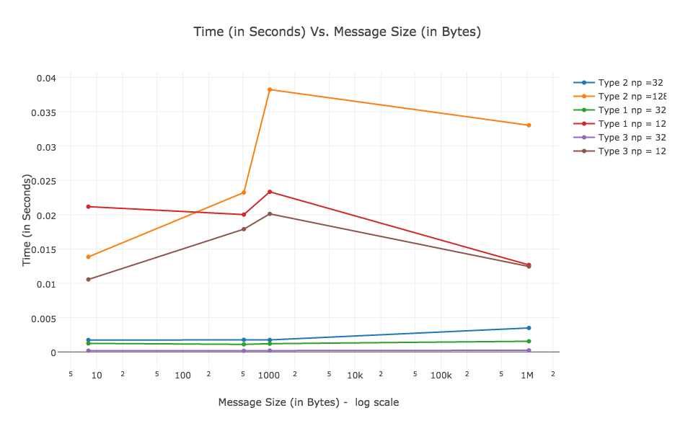
 | Message Size in bytes
Time in seconds | 8 | 512 | 1024 | 1048576
type 2 32 | 0.001737 | 0.001766 | 0.001749 | 0.003491
type 2 128 | 0.01385 | 0.023226 | 0.038229 | 0.033033
type 1 32 | 0.001243 | 0.0011 | 0.001201 | 0.001553
type 1 128 | 0.021166 | 0.020014 | 0.023332 | 0.012682
type 3 32 | 0.000181 | 0.000157 | 0.00016
type 3 128

